CleanData_Freq
Count by Existed From Bank

Row Labels | Count of ExitedFromBank? | % Of Pop
0 | 777 | 79%
1 | 203 | 21%
Grand Total | 980

Count By Active Member

Row Labels | Count of IsActiveMember | % Of Pop
0 | 481 | 49%
1 | 499 | 51%
Grand Total | 980

Count by HasCrCard

Row Labels | Count of HasCrCard? | % Of Pop
0 | 288 | 29%
1 | 692 | 71%
Grand Total | 980

Count By Number of Production

Row Labels | Count of NumOfProducts | % Of Pop
1 | 507 | 52%
2 | 439 | 45%
3 | 32 | 3%
4 | 2 | 0%
Grand Total | 980

Count of Tenure

Row Labels | Count of Tenure | % Of Pop
0 | 38 | 4%
1 | 101 | 10%
2 | 108 | 11%
3 | 98 | 10%
4 | 85 | 9%
5 | 99 | 10%
6 | 93 | 9%
7 | 93 | 9%
8 | 108 | 11%
9 | 108 | 11%
10 | 49 | 5%
Grand Total | 980
Count by Gender

Row Labels | Count of Gender | % Of Pop
Female | 451 | 46%
Male | 529 | 54%
Grand Total | 980

Count by Country

Row Labels | Count of Country | % Of Pop
France | 480 | 49%
Germany | 257 | 26%
Spain | 243 | 25%
Grand Total | 980

Row Labels | Count of Estimated Salary |  | Row Labels | Count of Balance | Row Labels | Count of Age | Row Labels | Count of Credit Score
371.05 | 1 |  | 0 | 345 | 18 | 1 | 376 | 2
417.41 | 1 |  | 34013.63 | 1 | 19 | 2 | 411 | 1
447.73 | 1 |  | 37266.67 | 1 | 20 | 1 | 413 | 1
600.36 | 1 |  | 40105.51 | 1 | 21 | 6 | 416 | 2
705.18 | 1 |  | 40685.92 | 1 | 22 | 7 | 417 | 1
777.37 | 1 |  | 40915.55 | 1 | 23 | 4 | 421 | 1
823.36 | 1 |  | 42157.08 | 1 | 24 | 15 | 427 | 1
878.87 | 1 |  | 45144.43 | 1 | 25 | 22 | 429 | 1
1002.39 | 1 |  | 47134.75 | 1 | 26 | 22 | 432 | 1
1299.75 | 1 |  | 49512.55 | 1 | 27 | 16 | 435 | 2
1643.11 | 1 |  | 52436.2 | 1 | 28 | 21 | 438 | 3
1907.66 | 1 |  | 54503.55 | 1 | 29 | 32 | 439 | 1
2010.98 | 1 |  | 54901.01 | 1 | 30 | 32 | 443 | 2
2079.2 | 1 |  | 56084.69 | 1 | 31 | 43 | 445 | 1
2319.96 | 1 |  | 56214.85 | 1 | 32 | 37 | 450 | 1
2383.59 | 1 |  | 57017.06 | 1 | 33 | 34 | 456 | 1
3710.34 | 1 |  | 57929.81 | 1 | 34 | 46 | 459 | 2
3937.37 | 1 |  | 58469.37 | 1 | 35 | 55 | 460 | 2
4389.4 | 1 |  | 58629.97 | 1 | 36 | 59 | 461 | 1
4400.32 | 1 |  | 58641.43 | 1 | 37 | 46 | 464 | 2
4861.72 | 1 |  | 59408.63 | 1 | 38 | 42 | 465 | 1
5097.67 | 1 |  | 59697.17 | 1 | 39 | 41 | 468 | 3
5472.7 | 1 |  | 61710.44 | 1 | 40 | 32 | 472 | 1
5597.94 | 1 |  | 61825.5 | 1 | 41 | 37 | 474 | 2
5684.17 | 1 |  | 62276.99 | 1 | 42 | 39 | 475 | 3
5907.11 | 1 |  | 63095.01 | 1 | 43 | 29 | 476 | 1
5978.2 | 1 |  | 63227 | 1 | 44 | 25 | 479 | 4
6057.81 | 1 |  | 63349.75 | 1 | 45 | 26 | 480 | 1
6078.46 | 1 |  | 63663.93 | 1 | 46 | 25 | 482 | 1
6232.31 | 1 |  | 63669.42 | 1 | 47 | 12 | 483 | 1
6534.18 | 1 |  | 64097.75 | 1 | 48 | 22 | 484 | 3
7222.92 | 1 |  | 64119.38 | 1 | 49 | 15 | 485 | 2
7330.59 | 1 |  | 64740.12 | 1 | 50 | 10 | 486 | 2
7666.73 | 1 |  | 65253.07 | 1 | 51 | 13 | 487 | 1
7698.6 | 1 |  | 66392.64 | 1 | 52 | 7 | 488 | 1
7797.01 | 1 |  | 67226.37 | 1 | 53 | 8 | 490 | 2
8080.85 | 1 |  | 67238.98 | 1 | 54 | 6 | 492 | 2
8128.32 | 1 |  | 67996.23 | 1 | 55 | 4 | 493 | 1
8404.73 | 1 |  | 68065.8 | 1 | 56 | 7 | 494 | 1
8487.75 | 1 |  | 68598.56 | 1 | 57 | 13 | 495 | 1
8546.87 | 1 |  | 70302.48 | 1 | 58 | 11 | 497 | 3
8590.83 | 1 |  | 70349.48 | 1 | 59 | 3 | 498 | 2
8636.05 | 1 |  | 70438.01 | 1 | 60 | 6 | 499 | 1
8996.97 | 1 |  | 71264.02 | 1 | 61 | 8 | 501 | 5
9200.54 | 1 |  | 71340.09 | 1 | 62 | 5 | 502 | 2
9217.55 | 1 |  | 71497.79 | 1 | 63 | 3 | 503 | 1
9221.78 | 1 |  | 72392.41 | 1 | 64 | 3 | 504 | 1
9262.77 | 1 |  | 73309.38 | 1 | 65 | 4 | 505 | 1
9468.64 | 1 |  | 74596.15 | 1 | 66 | 4 | 506 | 3
9567.39 | 1 |  | 75263.16 | 1 | 67 | 5 | 507 | 1
9677 | 1 |  | 75888.2 | 1 | 68 | 1 | 508 | 1
9679.28 | 1 |  | 76190.48 | 1 | 69 | 2 | 509 | 2
9855.81 | 1 |  | 76408.85 | 1 | 70 | 2 | 510 | 3
9983.88 | 1 |  | 76548.6 | 1 | 72 | 2 | 511 | 4
10054.53 | 1 |  | 76968.12 | 1 | 73 | 1 | 512 | 4
10062.8 | 1 |  | 77168.87 | 1 | 74 | 1 | 514 | 3
10334.05 | 1 |  | 77253.22 | 1 | 75 | 2 | 515 | 2
10350.74 | 1 |  | 77253.5 | 1 | 79 | 1 | 516 | 4
10357.03 | 1 |  | 77637.35 | 1 | 80 | 1 | 517 | 1
10488.44 | 1 |  | 77780.29 | 1 | 82 | 1 | 518 | 1
10553.31 | 1 |  | 77846.9 | 1 | Grand Total | 980 | 519 | 3
10598.29 | 1 |  | 78398.69 | 1 |  |  | 520 | 4
10643.38 | 1 |  | 78653.84 | 1 |  |  | 521 | 2
10656.89 | 1 |  | 78707.16 | 1 |  |  | 522 | 1
10940.4 | 1 |  | 78992.75 | 1 |  |  | 523 | 3
11199.04 | 1 |  | 79019.8 | 1 |  |  | 524 | 3
11384.45 | 1 |  | 79731.91 | 1 |  |  | 525 | 4
11723.57 | 1 |  | 79871.02 | 1 |  |  | 526 | 1
12120.79 | 1 |  | 80001.23 | 1 |  |  | 527 | 1
12182.15 | 1 |  | 80262.6 | 1 |  |  | 528 | 2
12796.43 | 1 |  | 80613.93 | 1 |  |  | 529 | 2
13107.24 | 1 |  | 80793.58 | 1 |  |  | 531 | 4
13601.79 | 1 |  | 81173.83 | 1 |  |  | 533 | 1
13898.31 | 1 |  | 81273.13 | 1 |  |  | 534 | 1
14109.85 | 1 |  | 81550.94 | 1 |  |  | 535 | 4
14279.44 | 1 |  | 81623.67 | 1 |  |  | 536 | 1
14353.43 | 1 |  | 81877.38 | 1 |  |  | 537 | 1
14374.86 | 1 |  | 82034 | 1 |  |  | 538 | 2
14406.41 | 1 |  | 82259.29 | 1 |  |  | 539 | 4
14679.81 | 1 |  | 82275.35 | 1 |  |  | 540 | 3
14781.12 | 1 |  | 82293.82 | 1 |  |  | 542 | 2
14858.1 | 1 |  | 82674.15 | 1 |  |  | 543 | 6
14956.44 | 1 |  | 82931.85 | 1 |  |  | 544 | 4
15068.18 | 1 |  | 83543.37 | 1 |  |  | 545 | 6
15304.08 | 1 |  | 83807.86 | 1 |  |  | 546 | 3
15462.84 | 1 |  | 84026.86 | 1 |  |  | 547 | 3
15650.73 | 1 |  | 84327.77 | 1 |  |  | 548 | 2
15766.1 | 1 |  | 84496.71 | 1 |  |  | 549 | 5
15928.49 | 1 |  | 84745.03 | 1 |  |  | 550 | 4
16064.25 | 1 |  | 85311.7 | 1 |  |  | 551 | 1
16161.82 | 1 |  | 85679.25 | 1 |  |  | 552 | 1
16278.97 | 1 |  | 85891.55 | 1 |  |  | 553 | 4
16436.56 | 1 |  | 86402.52 | 1 |  |  | 554 | 1
16459.37 | 1 |  | 86569.76 | 1 |  |  | 555 | 3
17603.81 | 1 |  | 87202.38 | 1 |  |  | 556 | 3
17675.36 | 1 |  | 87271.41 | 1 |  |  | 557 | 2
17941.16 | 1 |  | 88109.81 | 1 |  |  | 559 | 3
17978.68 | 1 |  | 88293.13 | 1 |  |  | 560 | 1
18203 | 1 |  | 88915.37 | 1 |  |  | 561 | 1
18260.98 | 1 |  | 88938.62 | 1 |  |  | 562 | 2
18461.9 | 1 |  | 89588.35 | 1 |  |  | 563 | 2
18606.23 | 1 |  | 89685.92 | 1 |  |  | 564 | 2
18657.77 | 1 |  | 89763.84 | 1 |  |  | 565 | 1
18719.67 | 1 |  | 89968.69 | 1 |  |  | 566 | 2
18924.92 | 1 |  | 90307.62 | 1 |  |  | 567 | 2
19162.89 | 1 |  | 90536.81 | 1 |  |  | 568 | 3
19287.06 | 1 |  | 90612.34 | 1 |  |  | 569 | 3
19482.5 | 1 |  | 91536.93 | 1 |  |  | 570 | 1
19570.63 | 1 |  | 92113.61 | 1 |  |  | 571 | 4
19799.26 | 1 |  | 92140.15 | 1 |  |  | 572 | 3
19834.32 | 1 |  | 92310.54 | 1 |  |  | 574 | 4
20451.99 | 1 |  | 92566.53 | 1 |  |  | 577 | 4
20598.59 | 1 |  | 92833.89 | 1 |  |  | 578 | 2
20612.82 | 1 |  | 93012.89 | 1 |  |  | 579 | 1
20629.4 | 1 |  | 93051.64 | 1 |  |  | 580 | 4
21016 | 1 |  | 93147 | 1 |  |  | 581 | 1
21198.39 | 1 |  | 93694.42 | 1 |  |  | 582 | 3
21228.34 | 1 |  | 93722.73 | 1 |  |  | 583 | 4
21600.11 | 1 |  | 93844.69 | 1 |  |  | 584 | 5
22388 | 1 |  | 94521.17 | 1 |  |  | 585 | 3
22447.85 | 1 |  | 95059.02 | 1 |  |  | 586 | 3
22745.5 | 1 |  | 95128.86 | 1 |  |  | 587 | 4
22994.32 | 1 |  | 95441.27 | 1 |  |  | 588 | 1
23971.33 | 1 |  | 95523.16 | 1 |  |  | 589 | 4
24210.56 | 1 |  | 95556.31 | 1 |  |  | 590 | 2
24234.11 | 1 |  | 95741.75 | 1 |  |  | 591 | 4
24302.95 | 1 |  | 95826.49 | 1 |  |  | 592 | 3
24495.03 | 1 |  | 95845.6 | 1 |  |  | 593 | 4
24506.95 | 1 |  | 96134.11 | 1 |  |  | 594 | 5
25095.03 | 1 |  | 96423.84 | 1 |  |  | 596 | 2
25310.82 | 1 |  | 96645.54 | 1 |  |  | 597 | 2
25885.72 | 1 |  | 96888.39 | 1 |  |  | 598 | 3
26019.59 | 1 |  | 97086.4 | 1 |  |  | 599 | 3
26057.08 | 1 |  | 97133.92 | 1 |  |  | 600 | 2
26260.98 | 1 |  | 97257.41 | 1 |  |  | 601 | 7
26752.56 | 1 |  | 97259.25 | 1 |  |  | 602 | 1
26960.31 | 1 |  | 97318.25 | 1 |  |  | 603 | 3
27046.46 | 1 |  | 97378.54 | 1 |  |  | 604 | 2
27231.26 | 1 |  | 97530.25 | 1 |  |  | 605 | 7
27286.1 | 1 |  | 97541.24 | 1 |  |  | 606 | 2
27330.59 | 1 |  | 97544.29 | 1 |  |  | 607 | 2
27474.81 | 1 |  | 98373.26 | 1 |  |  | 608 | 4
27689.77 | 1 |  | 98444.19 | 1 |  |  | 609 | 1
27758.36 | 1 |  | 98495.72 | 1 |  |  | 610 | 2
27822.99 | 1 |  | 98668.18 | 1 |  |  | 611 | 8
28257.63 | 1 |  | 99010.67 | 1 |  |  | 612 | 1
28266.9 | 1 |  | 99027.61 | 1 |  |  | 613 | 1
28373.86 | 1 |  | 99240.51 | 1 |  |  | 614 | 5
28415.36 | 1 |  | 99282.63 | 1 |  |  | 615 | 2
28714.34 | 1 |  | 99286.98 | 1 |  |  | 616 | 5
28737.71 | 1 |  | 99564.22 | 1 |  |  | 618 | 3
28737.78 | 1 |  | 99806.85 | 1 |  |  | 619 | 4
29358.57 | 1 |  | 99906.19 | 1 |  |  | 620 | 2
29871.79 | 1 |  | 100160.75 | 1 |  |  | 621 | 4
30020.09 | 1 |  | 100238.35 | 1 |  |  | 622 | 4
30380.12 | 1 |  | 100337.96 | 1 |  |  | 623 | 1
30730.95 | 1 |  | 100433.8 | 1 |  |  | 624 | 1
30838.51 | 1 |  | 100486.18 | 1 |  |  | 625 | 3
30876.84 | 1 |  | 100812.33 | 1 |  |  | 626 | 4
30984.59 | 1 |  | 100946.71 | 1 |  |  | 627 | 2
31106.67 | 1 |  | 101060.25 | 1 |  |  | 628 | 5
31474.27 | 1 |  | 101084.36 | 1 |  |  | 629 | 5
31520.4 | 1 |  | 101160.99 | 1 |  |  | 630 | 3
31766.3 | 1 |  | 101238.24 | 1 |  |  | 631 | 2
31824.29 | 1 |  | 101430.3 | 1 |  |  | 632 | 3
32171.79 | 1 |  | 101583.11 | 1 |  |  | 633 | 2
32790.02 | 1 |  | 101609.01 | 1 |  |  | 634 | 3
32825.5 | 1 |  | 101633.04 | 1 |  |  | 635 | 7
33159.37 | 1 |  | 101827.07 | 1 |  |  | 636 | 5
33462.94 | 1 |  | 101960.74 | 1 |  |  | 637 | 4
33642.21 | 1 |  | 101993.12 | 1 |  |  | 638 | 2
33738.27 | 1 |  | 102016.72 | 1 |  |  | 639 | 4
33949.67 | 1 |  | 102535.57 | 1 |  |  | 640 | 4
33953.87 | 1 |  | 102703.62 | 1 |  |  | 641 | 2
34004.44 | 1 |  | 102742.91 | 1 |  |  | 642 | 5
34283.23 | 1 |  | 102827.44 | 1 |  |  | 643 | 6
34338.21 | 1 |  | 102967.41 | 1 |  |  | 644 | 1
34410.55 | 1 |  | 103097.85 | 1 |  |  | 645 | 4
34577.36 | 1 |  | 103391.38 | 1 |  |  | 646 | 6
34580.8 | 1 |  | 103522.75 | 1 |  |  | 647 | 2
34673.98 | 1 |  | 103769.22 | 1 |  |  | 648 | 9
34888.04 | 1 |  | 103907.28 | 1 |  |  | 649 | 4
34941.23 | 1 |  | 104088.59 | 1 |  |  | 650 | 5
35588.07 | 1 |  | 104947.72 | 1 |  |  | 651 | 3
35608.88 | 1 |  | 105204.01 | 1 |  |  | 652 | 5
35817.97 | 1 |  | 105405.97 | 1 |  |  | 653 | 2
36692.17 | 1 |  | 105420.18 | 1 |  |  | 654 | 2
36976.52 | 1 |  | 105525.65 | 1 |  |  | 655 | 2
37147.61 | 1 |  | 105799.32 | 1 |  |  | 656 | 4
37938.74 | 1 |  | 105934.96 | 1 |  |  | 657 | 4
37976.36 | 1 |  | 105961.68 | 1 |  |  | 658 | 1
38131.77 | 1 |  | 106138.33 | 1 |  |  | 659 | 8
38152.01 | 1 |  | 106190.55 | 1 |  |  | 660 | 4
38296.21 | 1 |  | 106192.1 | 1 |  |  | 661 | 6
38411.79 | 1 |  | 106234.02 | 1 |  |  | 662 | 2
38433.35 | 1 |  | 106307.91 | 1 |  |  | 663 | 4
38812.67 | 1 |  | 106376.85 | 1 |  |  | 664 | 5
38867.46 | 1 |  | 106518.52 | 1 |  |  | 665 | 3
38913.68 | 1 |  | 106545.53 | 1 |  |  | 666 | 1
38970.14 | 1 |  | 106854.21 | 1 |  |  | 667 | 7
39087.42 | 1 |  | 106901.94 | 1 |  |  | 668 | 6
39768.59 | 1 |  | 106937.05 | 1 |  |  | 669 | 3
40014.76 | 1 |  | 106967.18 | 1 |  |  | 670 | 3
40084.32 | 1 |  | 107042.74 | 1 |  |  | 671 | 5
40645.81 | 1 |  | 107073.27 | 1 |  |  | 672 | 2
40721.24 | 1 |  | 107594.11 | 1 |  |  | 673 | 6
40812.9 | 1 |  | 107720.64 | 1 |  |  | 674 | 2
41176.6 | 1 |  | 107749.03 | 1 |  |  | 675 | 6
41642.29 | 1 |  | 107818.63 | 1 |  |  | 676 | 1
41879.99 | 1 |  | 107884.81 | 1 |  |  | 678 | 5
41970.72 | 1 |  | 108007.36 | 1 |  |  | 679 | 2
42334.38 | 1 |  | 108055.1 | 1 |  |  | 680 | 2
42749.85 | 1 |  | 108122.39 | 1 |  |  | 681 | 3
43001.46 | 1 |  | 108239.11 | 1 |  |  | 682 | 4
43250.3 | 1 |  | 108269.37 | 1 |  |  | 683 | 5
43527.4 | 1 |  | 108431.87 | 1 |  |  | 684 | 8
43921.36 | 1 |  | 108738.71 | 1 |  |  | 685 | 7
43932.54 | 1 |  | 108748.08 | 1 |  |  | 686 | 4
44203.55 | 1 |  | 108822.4 | 1 |  |  | 687 | 8
44420.18 | 1 |  | 109013.23 | 1 |  |  | 688 | 2
44937.01 | 1 |  | 109166.37 | 1 |  |  | 689 | 2
45041.32 | 1 |  | 109421.13 | 1 |  |  | 690 | 1
45071.09 | 1 |  | 109730.22 | 1 |  |  | 691 | 2
45613.75 | 1 |  | 109922.61 | 1 |  |  | 692 | 4
45886.33 | 1 |  | 110071.1 | 1 |  |  | 693 | 3
45909.87 | 1 |  | 110112.54 | 1 |  |  | 694 | 6
46163.44 | 1 |  | 110349.82 | 1 |  |  | 695 | 3
46170.75 | 1 |  | 110368.03 | 1 |  |  | 696 | 4
46775.28 | 1 |  | 110654.02 | 1 |  |  | 697 | 1
46824.08 | 1 |  | 110777.26 | 1 |  |  | 698 | 4
47125.11 | 1 |  | 110929.96 | 1 |  |  | 699 | 4
47166.55 | 1 |  | 111018.98 | 1 |  |  | 700 | 3
47251.79 | 1 |  | 111071.36 | 1 |  |  | 701 | 5
47271.61 | 1 |  | 111201.41 | 1 |  |  | 702 | 4
47414.15 | 1 |  | 111388.18 | 1 |  |  | 703 | 5
47472.68 | 1 |  | 111432.77 | 1 |  |  | 704 | 2
47578.45 | 1 |  | 111574.41 | 1 |  |  | 705 | 2
47679.14 | 1 |  | 111577.01 | 1 |  |  | 706 | 6
47847.19 | 1 |  | 111642.08 | 1 |  |  | 707 | 2
47911.03 | 1 |  | 111681.98 | 1 |  |  | 708 | 2
48071.61 | 1 |  | 111756.5 | 1 |  |  | 709 | 3
48559.19 | 1 |  | 111962.99 | 1 |  |  | 710 | 5
48725.68 | 1 |  | 112013.81 | 1 |  |  | 711 | 3
48963.59 | 1 |  | 112045.67 | 1 |  |  | 712 | 4
50051.42 | 1 |  | 112212.14 | 1 |  |  | 713 | 1
50129.87 | 1 |  | 112373.49 | 1 |  |  | 714 | 6
50404.72 | 1 |  | 112564.62 | 1 |  |  | 715 | 3
50457.2 | 1 |  | 112652.08 | 1 |  |  | 716 | 4
51219.8 | 1 |  | 112822.26 | 1 |  |  | 717 | 4
51285.49 | 1 |  | 112940.07 | 1 |  |  | 718 | 3
52615.62 | 1 |  | 113034.22 | 1 |  |  | 720 | 3
53134.3 | 1 |  | 113157.22 | 1 |  |  | 721 | 5
53483.21 | 1 |  | 113208.86 | 1 |  |  | 722 | 4
53512.16 | 1 |  | 113599.74 | 1 |  |  | 723 | 1
53718.28 | 1 |  | 113755.78 | 1 |  |  | 724 | 2
54018.93 | 1 |  | 113829.45 | 1 |  |  | 725 | 5
54141.5 | 1 |  | 113978.97 | 1 |  |  | 726 | 3
54227.06 | 1 |  | 113980.21 | 1 |  |  | 727 | 4
54359.02 | 1 |  | 114193.24 | 1 |  |  | 728 | 2
54405.79 | 1 |  | 114206.84 | 1 |  |  | 729 | 5
54724.03 | 1 |  | 114292.48 | 1 |  |  | 730 | 6
54926.51 | 1 |  | 114354.95 | 1 |  |  | 731 | 1
54954.51 | 1 |  | 114510.85 | 1 |  |  | 732 | 5
55003.79 | 1 |  | 114540.38 | 1 |  |  | 733 | 4
55470.78 | 1 |  | 114628.4 | 1 |  |  | 734 | 2
55582.54 | 1 |  | 114715.71 | 1 |  |  | 735 | 4
55803.96 | 1 |  | 114722.05 | 1 |  |  | 736 | 1
56297.85 | 1 |  | 114754.08 | 1 |  |  | 737 | 2
56388.63 | 1 |  | 114931.35 | 1 |  |  | 738 | 5
56577 | 1 |  | 115046.74 | 1 |  |  | 739 | 3
56594.36 | 1 |  | 115217.99 | 1 |  |  | 741 | 2
56937.43 | 1 |  | 115301.31 | 1 |  |  | 742 | 4
56999.9 | 1 |  | 115888.04 | 1 |  |  | 743 | 1
57175.32 | 1 |  | 115897.12 | 1 |  |  | 744 | 3
57236.44 | 1 |  | 115920.62 | 1 |  |  | 745 | 8
57553.98 | 1 |  | 115924.89 | 1 |  |  | 746 | 1
57558.95 | 1 |  | 115988.86 | 1 |  |  | 747 | 2
58137.42 | 1 |  | 116060.08 | 1 |  |  | 748 | 1
58426.81 | 1 |  | 116220.5 | 1 |  |  | 749 | 5
58685.59 | 1 |  | 116229.85 | 1 |  |  | 750 | 6
58803.28 | 1 |  | 116244.14 | 1 |  |  | 751 | 4
59093.39 | 1 |  | 116269.01 | 1 |  |  | 752 | 4
59280.79 | 1 |  | 116313.57 | 1 |  |  | 753 | 1
59747.63 | 1 |  | 116326.07 | 1 |  |  | 754 | 4
59887.15 | 1 |  | 116363.37 | 1 |  |  | 755 | 1
60536.56 | 1 |  | 116528.15 | 1 |  |  | 756 | 5
60887.58 | 1 |  | 116803.8 | 1 |  |  | 757 | 2
60917.24 | 1 |  | 116854.71 | 1 |  |  | 758 | 5
61048.53 | 1 |  | 116922.25 | 1 |  |  | 759 | 1
61108.56 | 1 |  | 116927.89 | 1 |  |  | 760 | 1
61936.22 | 1 |  | 117028.6 | 1 |  |  | 761 | 2
62030.06 | 1 |  | 117231.63 | 1 |  |  | 762 | 3
62222.81 | 1 |  | 117301.66 | 1 |  |  | 763 | 2
62232.6 | 1 |  | 117411.6 | 1 |  |  | 764 | 1
62256.87 | 1 |  | 117419.35 | 1 |  |  | 765 | 1
62678.53 | 1 |  | 117992.59 | 1 |  |  | 766 | 1
63082.88 | 1 |  | 118082.89 | 1 |  |  | 767 | 3
63163.99 | 1 |  | 118274.71 | 1 |  |  | 769 | 4
64166.7 | 1 |  | 118287.01 | 1 |  |  | 770 | 1
64323.24 | 1 |  | 118342.26 | 1 |  |  | 771 | 2
64327.26 | 1 |  | 118590.41 | 1 |  |  | 772 | 1
64420.5 | 1 |  | 118626.55 | 1 |  |  | 773 | 4
64448.36 | 1 |  | 118945.09 | 1 |  |  | 774 | 3
64595.25 | 1 |  | 119023.28 | 1 |  |  | 775 | 2
64833.28 | 1 |  | 119035.35 | 1 |  |  | 776 | 4
65170.66 | 1 |  | 119182.73 | 1 |  |  | 777 | 2
65323.11 | 1 |  | 119266.69 | 1 |  |  | 778 | 2
65951.65 | 1 |  | 119714.25 | 1 |  |  | 779 | 2
66013.27 | 1 |  | 119741.77 | 1 |  |  | 782 | 1
66088.83 | 1 |  | 119782.72 | 1 |  |  | 784 | 1
66214.13 | 1 |  | 120092.52 | 1 |  |  | 785 | 4
67046.83 | 1 |  | 120193.42 | 1 |  |  | 786 | 1
67110.59 | 1 |  | 120320.54 | 1 |  |  | 787 | 1
67468.67 | 1 |  | 120599.21 | 1 |  |  | 788 | 3
67611.36 | 1 |  | 120599.38 | 1 |  |  | 789 | 2
67740.08 | 1 |  | 120681.63 | 1 |  |  | 790 | 2
67789.99 | 1 |  | 121021.05 | 1 |  |  | 791 | 1
68052.08 | 1 |  | 121152.05 | 1 |  |  | 792 | 1
68143.93 | 1 |  | 121192.22 | 1 |  |  | 793 | 3
68487.51 | 1 |  | 121326.42 | 1 |  |  | 795 | 2
68600.36 | 1 |  | 121551.58 | 1 |  |  | 796 | 1
68759.57 | 1 |  | 121581.56 | 1 |  |  | 798 | 1
68777.26 | 1 |  | 121681.82 | 1 |  |  | 799 | 1
69454.24 | 1 |  | 121702.73 | 1 |  |  | 800 | 2
69829.4 | 1 |  | 122189.66 | 1 |  |  | 801 | 1
69865.49 | 1 |  | 122220.19 | 1 |  |  | 802 | 1
70154.22 | 1 |  | 122311.21 | 1 |  |  | 803 | 1
70179 | 1 |  | 122384.22 | 1 |  |  | 804 | 2
70649.64 | 1 |  | 122388.38 | 1 |  |  | 805 | 1
70899.27 | 1 |  | 122451.46 | 1 |  |  | 806 | 3
71095.41 | 1 |  | 122453.37 | 1 |  |  | 807 | 4
71154.1 | 1 |  | 122522.32 | 1 |  |  | 808 | 1
71244.59 | 1 |  | 122549.64 | 1 |  |  | 811 | 1
71405.17 | 1 |  | 122552.34 | 1 |  |  | 813 | 1
71557.12 | 1 |  | 122570.87 | 1 |  |  | 814 | 1
71709.12 | 1 |  | 122874.74 | 1 |  |  | 815 | 1
71725.73 | 1 |  | 123180.01 | 1 |  |  | 816 | 2
71862.79 | 1 |  | 123217.66 | 1 |  |  | 818 | 2
71865.31 | 1 |  | 123246.7 | 1 |  |  | 819 | 1
71905.77 | 1 |  | 123331.36 | 1 |  |  | 822 | 1
72008.61 | 1 |  | 123497.58 | 1 |  |  | 828 | 2
72085.1 | 1 |  | 123709.46 | 1 |  |  | 829 | 1
72143.44 | 1 |  | 123971.51 | 1 |  |  | 833 | 1
72467.99 | 1 |  | 124151.09 | 1 |  |  | 834 | 1
72814.31 | 1 |  | 124328.84 | 1 |  |  | 838 | 1
72924.56 | 1 |  | 124525.52 | 1 |  |  | 840 | 1
73275.96 | 1 |  | 124532.78 | 1 |  |  | 841 | 1
73294.48 | 1 |  | 124576.65 | 1 |  |  | 842 | 1
73418.29 | 1 |  | 124626.07 | 1 |  |  | 844 | 1
73564.44 | 1 |  | 124695.72 | 1 |  |  | 846 | 1
73656.38 | 1 |  | 124828.46 | 1 |  |  | 848 | 1
74077.91 | 1 |  | 125013.72 | 1 |  |  | 850 | 19
74135.48 | 1 |  | 125167.02 | 1 |  |  | Grand Total | 980
74158.8 | 1 |  | 125169.26 | 1
74169.13 | 1 |  | 125189.75 | 1
74835.65 | 1 |  | 125211.92 | 1
74836.34 | 1 |  | 125406.58 | 1
74890.58 | 1 |  | 125510.82 | 1
74940.5 | 1 |  | 125561.97 | 1
75161.25 | 1 |  | 125832.2 | 1
75248.3 | 1 |  | 125851.93 | 1
75685.97 | 1 |  | 125884.95 | 1
75808.1 | 1 |  | 126384.42 | 1
75888.65 | 1 |  | 126418.14 | 1
75937.47 | 1 |  | 126436.29 | 1
76192.21 | 1 |  | 126674.81 | 1
76390.01 | 1 |  | 126776.3 | 1
76569.64 | 1 |  | 127070.73 | 1
76744.72 | 1 |  | 127160.78 | 1
76773.53 | 1 |  | 127209 | 1
77077.14 | 1 |  | 127299.34 | 1
77108.66 | 1 |  | 127357.76 | 1
77206.25 | 1 |  | 127559.97 | 1
77231.27 | 1 |  | 127609.59 | 1
77294.56 | 1 |  | 127771.35 | 1
77405.95 | 1 |  | 127864.4 | 1
77764.37 | 1 |  | 127892.57 | 1
77783.35 | 1 |  | 127992.25 | 1
77837.63 | 1 |  | 128100.28 | 1
77866.91 | 1 |  | 128173.9 | 1
78004.5 | 1 |  | 128366.44 | 1
78140.75 | 1 |  | 128468.69 | 1
78358.94 | 1 |  | 128509.63 | 1
78397.24 | 1 |  | 128605.32 | 1
78416.14 | 1 |  | 128736.39 | 1
79078.91 | 1 |  | 128981.07 | 1
79084.1 | 1 |  | 129022.06 | 1
79414 | 1 |  | 129101.3 | 1
79510.37 | 1 |  | 129433.34 | 1
79616.37 | 1 |  | 129490.36 | 1
79633.38 | 1 |  | 129499.42 | 1
79881.39 | 1 |  | 129502.49 | 1
79919.13 | 1 |  | 129555.7 | 1
79972.09 | 1 |  | 129605.99 | 1
80006.65 | 1 |  | 129608.57 | 1
80181.12 | 1 |  | 129634.25 | 1
80190.36 | 1 |  | 129722.57 | 1
80393.27 | 1 |  | 129748.54 | 1
80553.87 | 1 |  | 129755.99 | 1
81259.25 | 1 |  | 129818.39 | 1
81483.64 | 1 |  | 129834.67 | 1
81753.92 | 1 |  | 130114.39 | 1
81898.81 | 1 |  | 130170.82 | 1
82463.69 | 1 |  | 130796.33 | 1
82526.92 | 1 |  | 130830.22 | 1
82970.69 | 1 |  | 130862.43 | 1
82996.47 | 1 |  | 130878.75 | 1
83473.82 | 1 |  | 131039.97 | 1
84126.75 | 1 |  | 131317.48 | 1
84174.81 | 1 |  | 131394.56 | 1
84294.82 | 1 |  | 131736.88 | 1
84320.94 | 1 |  | 131899 | 1
84509.57 | 1 |  | 132311.71 | 1
84569.13 | 1 |  | 132351.29 | 1
84699.56 | 1 |  | 132558.26 | 1
84932.4 | 1 |  | 132576.25 | 1
85426.28 | 1 |  | 132578.92 | 1
85523.24 | 1 |  | 132602.88 | 1
85578.63 | 1 |  | 132628.98 | 1
85746.52 | 1 |  | 133102.92 | 1
85982.47 | 1 |  | 133297.24 | 1
86099.23 | 1 |  | 133432.59 | 1
86333.63 | 1 |  | 133463.1 | 1
86410.28 | 1 |  | 133598.4 | 1
86424.57 | 1 |  | 133636.16 | 1
86797.41 | 1 |  | 133702.89 | 1
86945 | 1 |  | 133745.44 | 1
86957.42 | 1 |  | 133802.29 | 1
87107.57 | 1 |  | 133868.21 | 1
87168.46 | 1 |  | 133950.37 | 1
87213.33 | 1 |  | 133994.52 | 1
87822.14 | 1 |  | 134022.06 | 1
88225.02 | 1 |  | 134169.62 | 1
88705.14 | 1 |  | 134264.04 | 1
88721.84 | 1 |  | 134348.57 | 1
88852.47 | 1 |  | 134603.88 | 1
89017.38 | 1 |  | 134714.7 | 1
89048.46 | 1 |  | 134811.3 | 1
89520.75 | 1 |  | 134944 | 1
89566.74 | 1 |  | 134954.53 | 1
89593.26 | 1 |  | 134956.02 | 1
89801.9 | 1 |  | 135096.77 | 1
90055.08 | 1 |  | 135125.28 | 1
90304.01 | 1 |  | 135134.99 | 1
90878.13 | 1 |  | 135213.71 | 1
90908.95 | 1 |  | 135219.57 | 1
91565.25 | 1 |  | 135277.96 | 1
91936.1 | 1 |  | 135296.33 | 1
92027.69 | 1 |  | 135438.4 | 1
92067.35 | 1 |  | 135842.41 | 1
92381.01 | 1 |  | 135903.33 | 1
92568.07 | 1 |  | 136188.78 | 1
92816.86 | 1 |  | 136294.97 | 1
92840.67 | 1 |  | 136815.64 | 1
92982.61 | 1 |  | 136857 | 1
93146.11 | 1 |  | 136925.09 | 1
93165.34 | 1 |  | 137104.47 | 1
93249.26 | 1 |  | 137148.68 | 1
93251.42 | 1 |  | 137326.65 | 1
93302.29 | 1 |  | 137390.11 | 1
93524.19 | 1 |  | 137452.09 | 1
93826.63 | 1 |  | 137453.43 | 1
93839.3 | 1 |  | 137494.28 | 1
93883.53 | 1 |  | 137715.66 | 1
93953.84 | 1 |  | 137824.03 | 1
94153.83 | 1 |  | 137843.8 | 1
94440.45 | 1 |  | 137946.39 | 1
94670.77 | 1 |  | 137948.51 | 1
94728.49 | 1 |  | 138241.9 | 1
94739.2 | 1 |  | 138296.94 | 1
94774.12 | 1 |  | 138306.34 | 1
94820.85 | 1 |  | 138333.03 | 1
94898.1 | 1 |  | 138657.08 | 1
95145.14 | 1 |  | 138718.92 | 1
95463.29 | 1 |  | 138778.15 | 1
95611.47 | 1 |  | 138901.61 | 1
95857.18 | 1 |  | 139070.51 | 1
96463.25 | 1 |  | 139180.2 | 1
96823.32 | 1 |  | 139290.41 | 1
97508.04 | 1 |  | 139432.37 | 1
97614.87 | 1 |  | 139810.34 | 1
97932.68 | 1 |  | 140080.32 | 1
98090.91 | 1 |  | 140745.33 | 1
98178.57 | 1 |  | 141040.01 | 1
98301.61 | 3 |  | 141078.37 | 1
98368.24 | 1 |  | 141325.56 | 1
98453.45 | 1 |  | 141349.43 | 1
98646.22 | 1 |  | 141434.04 | 1
98820.39 | 1 |  | 141441.75 | 1
99398.36 | 1 |  | 141541.25 | 1
99444.02 | 1 |  | 141616.55 | 1
99449.86 | 1 |  | 141782.57 | 1
99645.04 | 1 |  | 141947.67 | 1
99805.99 | 1 |  | 142051.07 | 1
100127.71 | 1 |  | 142120.91 | 1
100130.95 | 1 |  | 143129.41 | 1
100187.43 | 1 |  | 143637.58 | 1
100433.83 | 1 |  | 143964.36 | 1
100816.29 | 1 |  | 144260.5 | 1
101057.95 | 1 |  | 144428.87 | 1
101300.94 | 1 |  | 144606.22 | 1
101348.88 | 1 |  | 144848.74 | 1
102284.2 | 1 |  | 144895.05 | 1
102299.81 | 1 |  | 145071.24 | 1
102416.84 | 1 |  | 145105.64 | 1
102750.7 | 1 |  | 145260.23 | 1
102925.76 | 1 |  | 145338.76 | 1
103315.74 | 1 |  | 145605.44 | 1
103480.69 | 1 |  | 145618.37 | 1
103516.08 | 1 |  | 145747.67 | 1
103737.82 | 1 |  | 145965.33 | 1
104435.94 | 1 |  | 145981.87 | 1
104533.51 | 1 |  | 145988.65 | 1
104719.66 | 1 |  | 146050.97 | 1
104991.28 | 1 |  | 146133.39 | 1
106636.89 | 1 |  | 146502.07 | 1
106761.47 | 1 |  | 147069.78 | 1
106781.59 | 1 |  | 147199.07 | 1
106841.12 | 1 |  | 147360 | 1
106920.57 | 1 |  | 147506.25 | 1
106977.8 | 1 |  | 147832.15 | 1
107125.79 | 1 |  | 148116.48 | 1
107640.25 | 1 |  | 148249.54 | 1
107667.91 | 1 |  | 148507.24 | 1
107811.28 | 1 |  | 149117.31 | 1
108139.23 | 1 |  | 149297.19 | 1
108469.2 | 1 |  | 149620.88 | 1
108488.33 | 1 |  | 149762.08 | 1
108543.21 | 1 |  | 150092.8 | 1
108732.96 | 1 |  | 150461.07 | 1
108761.05 | 1 |  | 150525.8 | 1
108872.45 | 1 |  | 150725.53 | 1
108887.44 | 1 |  | 150842.93 | 1
109041.53 | 1 |  | 150923.74 | 1
109078.35 | 1 |  | 151226.18 | 1
109291.39 | 1 |  | 151607.56 | 1
109563.28 | 1 |  | 151839.26 | 1
109614.57 | 1 |  | 151858.98 | 1
110265.24 | 1 |  | 152265.43 | 1
110431.51 | 1 |  | 152328.88 | 1
110510.28 | 1 |  | 152390.26 | 1
110783.28 | 1 |  | 152400.51 | 1
110784.42 | 1 |  | 152603.45 | 1
110899.3 | 1 |  | 152827.99 | 1
110916.15 | 1 |  | 152958.29 | 1
110932.24 | 1 |  | 152968.73 | 1
111020.24 | 1 |  | 153804.44 | 1
111307.98 | 1 |  | 153895.65 | 1
111346.22 | 1 |  | 154333.82 | 1
111755.8 | 1 |  | 154475.54 | 1
111879.21 | 1 |  | 154962.99 | 1
111981.19 | 1 |  | 155470.55 | 1
112187.11 | 1 |  | 155726.85 | 1
112239.03 | 1 |  | 155931.11 | 1
112349.51 | 1 |  | 156021.31 | 1
112491.96 | 1 |  | 156067.05 | 1
112542.58 | 1 |  | 156091.97 | 1
112687.57 | 1 |  | 156325.38 | 1
113316.77 | 1 |  | 156371.61 | 1
113410.49 | 1 |  | 156478.62 | 1
113428.77 | 1 |  | 156847.29 | 1
113639.64 | 1 |  | 157120.86 | 1
113656.85 | 1 |  | 157296.02 | 1
113931.57 | 1 |  | 157780.84 | 1
114066.77 | 1 |  | 157993.15 | 1
114675.75 | 1 |  | 158261.68 | 1
114935.21 | 1 |  | 159660.8 | 1
114996.43 | 1 |  | 160980.03 | 1
115136.51 | 1 |  | 161064.64 | 1
115638.29 | 1 |  | 161525.96 | 1
115676.38 | 1 |  | 161608.81 | 1
115789.25 | 1 |  | 161814.64 | 1
115916.55 | 1 |  | 162150.42 | 1
116467.35 | 1 |  | 162448.69 | 1
116503.92 | 1 |  | 162923.85 | 1
116704.25 | 1 |  | 163607.18 | 1
116828.51 | 1 |  | 163943.89 | 1
116973.48 | 1 |  | 164113.04 | 1
116978.19 | 1 |  | 164284.72 | 1
117036.38 | 1 |  | 164870.81 | 1
117140.41 | 1 |  | 165272.13 | 1
117202.19 | 1 |  | 166297.89 | 1
117349.19 | 1 |  | 166733.92 | 1
117356.14 | 1 |  | 167772.96 | 1
117431.1 | 1 |  | 167864.4 | 1
117622.8 | 1 |  | 167878.5 | 1
117704.65 | 1 |  | 167997.6 | 1
118024.1 | 1 |  | 168190.33 | 1
118913.53 | 1 |  | 168197.66 | 1
118974.77 | 1 |  | 168286.81 | 1
119175.45 | 1 |  | 169089.38 | 1
119232.33 | 1 |  | 169312.13 | 1
119346.88 | 1 |  | 169399.6 | 1
119666 | 1 |  | 169462.09 | 1
119708.21 | 1 |  | 169824.46 | 1
119899.52 | 1 |  | 169831.46 | 1
120284.67 | 1 |  | 170061.92 | 1
120415.61 | 1 |  | 170184.99 | 1
120540.83 | 1 |  | 170331.37 | 1
120657.32 | 1 |  | 170491.84 | 1
120834.48 | 1 |  | 170557.91 | 1
120906.83 | 1 |  | 170826.55 | 1
121210.09 | 1 |  | 170833.46 | 1
121277.78 | 1 |  | 171770.55 | 1
121409.06 | 1 |  | 172448.77 | 1
121542.29 | 1 |  | 173340.83 | 1
121562.33 | 1 |  | 174185.98 | 1
121751.04 | 1 |  | 174318.13 | 1
122218.23 | 1 |  | 174790.15 | 1
122381.02 | 1 |  | 174912.72 | 1
122662.98 | 1 |  | 174937.64 | 1
122763.95 | 1 |  | 176099.13 | 1
123137.01 | 1 |  | 176273.95 | 1
123547.28 | 1 |  | 176666.62 | 1
123775.15 | 1 |  | 177619.71 | 1
123880.19 | 1 |  | 177640.09 | 1
123882.73 | 1 |  | 178718.19 | 1
124052.97 | 1 |  | 178820.91 | 1
124118.71 | 1 |  | 180075.22 | 1
124226.16 | 1 |  | 181461.48 | 1
124341.49 | 1 |  | 181656.51 | 1
124411.08 | 1 |  | 182123.79 | 1
124508.29 | 1 |  | 183102.29 | 1
124694.99 | 1 |  | 184686.41 | 1
125010.24 | 1 |  | 185173.81 | 1
125305.34 | 1 |  | 186796.37 | 1
125381.02 | 1 |  | 187530.66 | 1
125518.32 | 1 |  | 187841.99 | 1
125696.26 | 1 |  | 190227.46 | 1
125777.28 | 1 |  | 190479.48 | 1
126143.23 | 1 |  | 192390.52 | 1
126213.84 | 1 |  | 193858.2 | 1
126355.8 | 1 |  | 197041.8 | 1
126471.13 | 1 |  | 209767.31 | 1
126494.82 | 1 |  | 211774.31 | 1
126517.46 | 1 |  | 213146.2 | 1
126644.98 | 1 |  | (blank)
126952.5 | 1 |  | Grand Total | 980
127059.04 | 1
127166.49 | 1
127569.8 | 1
127587.22 | 1
127951.81 | 1
128077.8 | 1
128123.66 | 1
128373.88 | 1
128643.35 | 1
128702.1 | 1
129590.18 | 1
129826.89 | 1
129892.93 | 1
129964.94 | 1
130486.57 | 1
130553.47 | 1
130567.02 | 1
130590.35 | 1
130789.6 | 1
130928.22 | 1
131043.2 | 1
131167.98 | 1
131300.68 | 1
131372.38 | 1
131501.72 | 1
131521.72 | 1
131953.23 | 1
132173.31 | 1
132210.49 | 1
132298.49 | 1
133007.34 | 1
133457.52 | 1
134132.65 | 1
134420.75 | 1
134509.47 | 1
134589.58 | 1
134600.94 | 1
134901.34 | 1
135180.11 | 1
135399.21 | 1
135482.26 | 1
135925.72 | 1
136050.44 | 1
136129.49 | 1
136259.65 | 1
136458.19 | 1
136886.86 | 1
137254.55 | 1
137316.32 | 1
137537.22 | 1
138275.01 | 1
138490.03 | 1
138527.56 | 1
138777 | 1
138882.98 | 1
139093.73 | 1
139161.64 | 1
139874.43 | 1
140075.55 | 1
140134.43 | 1
140451.52 | 1
140469.38 | 1
140676.98 | 1
140765.57 | 1
141069.88 | 1
141075.51 | 1
141210.5 | 1
141300.53 | 1
142033.07 | 1
142200.15 | 1
142513.5 | 1
142548.33 | 1
142838.64 | 1
142917.54 | 1
143635.36 | 1
143739.29 | 1
143954.99 | 1
144183.1 | 1
144375 | 1
144517.19 | 1
144680.18 | 1
144995.33 | 1
145111.37 | 1
145251.35 | 1
145562.4 | 1
145593.85 | 1
145700.22 | 1
145704.19 | 1
145894.9 | 1
145936.28 | 1
146041.45 | 1
146145.93 | 1
146326.45 | 1
146457.83 | 1
146700.22 | 1
147012.22 | 1
147132.46 | 1
147224.27 | 1
147278.43 | 1
147358.27 | 1
147794.63 | 1
147802.94 | 1
148210.64 | 1
148528.24 | 1
148564.76 | 1
148584.61 | 1
149066.14 | 1
149139.13 | 1
149575.59 | 1
149599.62 | 1
149648.45 | 1
149756.71 | 1
149853.89 | 1
149892.79 | 1
150135.38 | 1
150227.85 | 1
150401.53 | 1
150694.42 | 1
151083.8 | 1
151303.48 | 1
151738.54 | 1
151869.35 | 1
151887.16 | 1
151912.49 | 1
151954.39 | 1
152167.79 | 1
152417.79 | 1
153237.59 | 1
153265.31 | 1
153400.24 | 1
154071.27 | 1
155155.25 | 1
155853.52 | 1
155996.96 | 1
156105.03 | 1
156124.93 | 1
156618.38 | 1
156731.91 | 1
156774.94 | 1
156791.36 | 1
156917.12 | 1
157003.99 | 1
157333.69 | 1
157552.08 | 1
157577.29 | 1
157862.82 | 1
157878.67 | 1
157908.19 | 1
157959.02 | 1
158264.62 | 1
158338.39 | 1
158591.12 | 1
158684.81 | 1
158887.09 | 1
159123.82 | 1
159235.29 | 1
159418.1 | 1
159508.52 | 1
159585.61 | 1
159835.78 | 1
160249.1 | 1
160696.72 | 1
160941.78 | 1
160979.66 | 1
160990.27 | 1
161051.75 | 1
161229.84 | 1
161435.02 | 1
161519.77 | 1
161574.19 | 1
161767.38 | 1
161811.23 | 1
161848.03 | 1
162503.48 | 1
162599.51 | 1
162812.16 | 1
162922.65 | 1
164017.89 | 1
164040.94 | 1
164061.6 | 1
164104.74 | 1
164253.35 | 1
164255.69 | 1
164825.04 | 1
165303.79 | 1
166031.08 | 1
166698.18 | 1
167032.49 | 1
167036.94 | 1
167155.36 | 1
167162.43 | 1
167256.35 | 1
167784.28 | 1
167848.02 | 1
167984.61 | 1
168290.06 | 1
168840.23 | 1
169161.46 | 1
169291.7 | 1
169381.9 | 1
169654.57 | 1
169915.02 | 1
170034.95 | 1
170041.95 | 1
170886.17 | 1
170968.99 | 1
171096.2 | 1
171378.77 | 1
171413.66 | 1
171463.83 | 1
172114.67 | 1
172175.9 | 1
172290.61 | 1
172459.39 | 1
172557.77 | 1
172572.64 | 1
172749.65 | 1
173498.45 | 1
173683 | 1
173779.25 | 1
173952.5 | 1
174205.22 | 1
174227.66 | 1
174248.52 | 1
174531.27 | 1
174652.51 | 1
175296.76 | 1
175544.02 | 1
176407.15 | 1
176576.62 | 1
176713.47 | 1
176730.02 | 1
176924.21 | 1
177655.68 | 1
177683.02 | 1
177772.03 | 1
177815.87 | 1
177896.92 | 1
178074.04 | 1
178252.63 | 1
178798.13 | 1
179012.3 | 1
179291.85 | 1
179351.89 | 1
179614.8 | 1
179670.31 | 1
179843.33 | 1
179883.04 | 1
180345.44 | 1
180427.24 | 1
180439.75 | 1
180800.42 | 1
181196.76 | 1
181297.65 | 1
181543.67 | 1
181600.72 | 1
181694.44 | 1
181964.6 | 1
182025.95 | 1
182038.6 | 1
182055.36 | 1
182822.5 | 1
182855.42 | 1
183049.41 | 1
183318.79 | 1
183487.98 | 1
183598.77 | 1
183646.41 | 1
183840.51 | 1
184843.77 | 1
185489.11 | 1
186062.36 | 1
186339.74 | 1
186489.95 | 1
186884.04 | 1
186976.6 | 1
187288.5 | 1
187616.16 | 1
187658.09 | 1
187925.75 | 1
187929.43 | 1
188083.77 | 1
188150.6 | 1
188193.25 | 1
188574.12 | 1
188603.07 | 1
189122.89 | 1
189271.9 | 1
189339.6 | 1
189543.19 | 1
189543.9 | 1
189992.97 | 1
190419.81 | 1
190627.01 | 1
190686.16 | 1
190696.35 | 1
190857.79 | 1
191074.11 | 1
191166.09 | 1
191420.71 | 1
191468.78 | 1
191599.67 | 1
191763.07 | 1
191932.27 | 1
192247.35 | 1
192633.85 | 1
193131.42 | 1
193318.33 | 1
193437.89 | 1
193793.78 | 1
194099.12 | 1
194239.63 | 1
194273.2 | 1
194365.76 | 1
194764.83 | 1
194902.16 | 1
194926.86 | 1
194945.8 | 1
194998.34 | 1
195635.3 | 1
195711.16 | 1
196108.51 | 1
196335.48 | 1
196356.17 | 1
196499.96 | 1
196673.28 | 1
197015.2 | 1
197276.13 | 1
198059.16 | 1
198129.36 | 1
198252.88 | 1
198637.34 | 1
198674.08 | 1
199273.98 | 1
199304.74 | 1
199493.38 | 1
199638.56 | 1
199645.45 | 1
199661.5 | 1
199725.39 | 1
(blank)
Grand Total | 980

Analysis
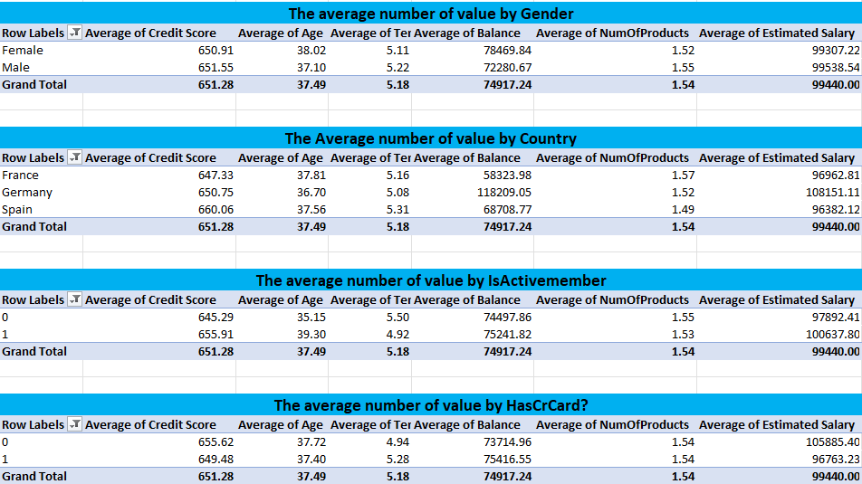
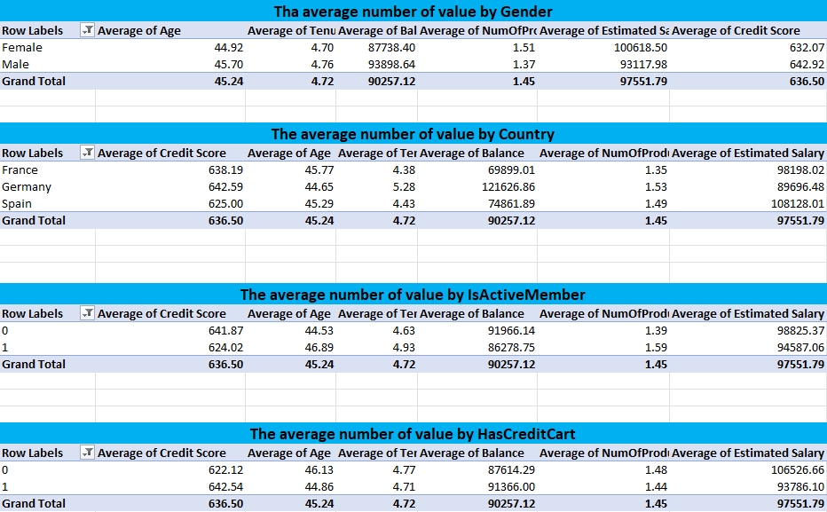
 | Stayed with Bank(0) | Existed From Bank (1)
Credit score | The average credit score of those who stayed with bank was better then who exited from the bank. | The average credit score of those who left the bank was slightly lower.
Age | The average age of those who stay with the bank is 37. | The average age of those who left the bank is 45.The average age gap between clients who left the bank and those who remained is 8 years.
Gender | Among those who stay with the bank, around 43% (42.60%) are women. | Of those who left the bank, around 60% (59.11%) are female.
Country | Of the clients who stayed with the bank, 51.87% are French. | Of the clients who have existed from the bank, 37% are French and German.
Tenure | The average customer tenure was almost the same, at five years. The small difference might simply be due to the timing on when the data was pulled. | The average of tenure is almost 5 year (4.72)
Balance | The average balance of people who stayed in the bank is 74917. Females have a greater balance than males, and Germans have a higher balance than those from other countries. | The average balance of people who exited the bank is 90257; males have a larger balance than females, and Germans have a higher balance than those from other countries.Customers who left the bank significantly differed in overall balance/savings.
Estimated Salary | People who remain in the bank have an average estimated salary of more than 99 thousand. Males have greater average estimated salaries than females, and Germany has the highest average estimated salary among the other countries. People who do not use credit cards and are active members get the highest salaries. | The average Estimated salary for those who exited for the bank is around 97 thousand. Females have greater estimated salaries than men, and Spain has higher estimated salaries than other countries. | 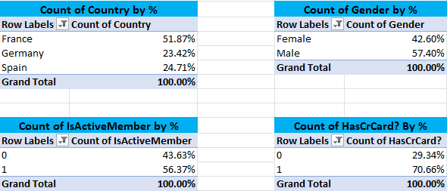 | 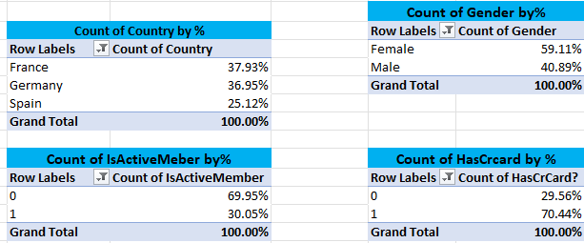
IsActivMember | 70% of those who have left the bank are categorized as inactive. Because we don't know how it works, for this study, I'm going to believe that it does not decline.
HasCrCard | 30% of the client base does not have credit cards with the bank. The groups of people who have left/remained include the same number of persons with and without credit cards. - It doesn't appear to be an indication of whether someone is at risk or not.

Decision_Tree
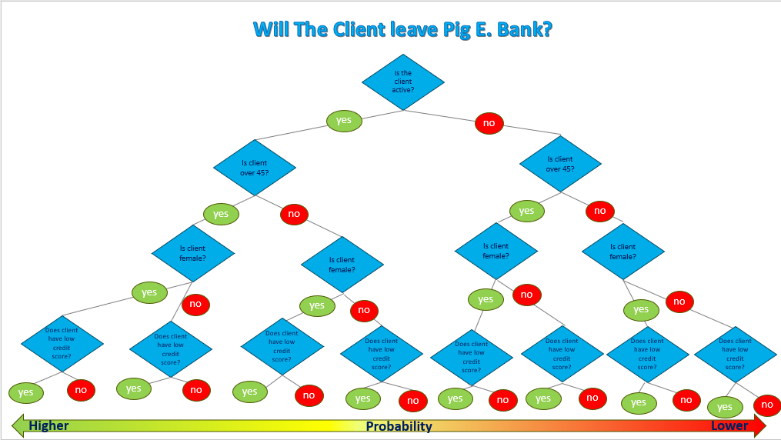
Decision Tree

